Hotel
BLDJ - HOTEL |  |  |  | Waterproofing:
LVL | Hotel No. | Hotel Type | Base Finish | ~ Shower / WC | Hotel
1 | L0101 | 1 | STANDARD |  |  | Waterproof Shower/WC
 | L0102 | 1 | STANDARD | Tiling: |  |  | Level 1
 | L0103 | 1 | STANDARD | ~ Floor tiling living areas |  |  |  | 1
 | L0104 | 2 | OCHRE | ~ Wall tiling living areas |  |  |  | 2
 | L0105 | 1 | STANDARD | ~ Floor tiling wet rooms |  |  |  | 3
 | L0106 | 1 | STANDARD | ~ Wall tiling wet rooms |  |  |  | 4
 | L0107 | 1 | STANDARD | ~ Balcony |  |  |  | 5
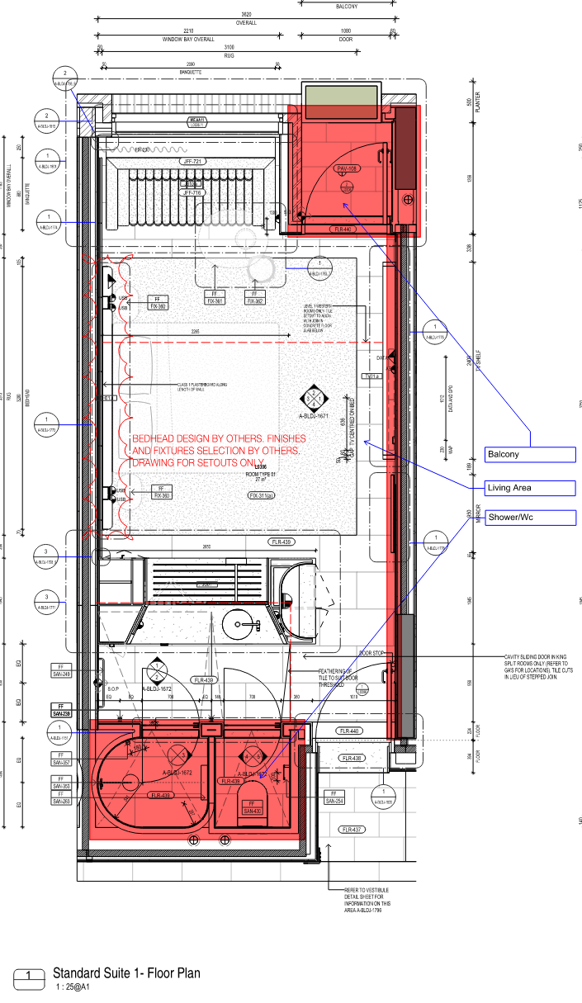
 | L0108 | 1 | OCHRE |  |  |  |  | 6
 | L0109 | 1 | STANDARD |  |  |  |  | 7
 | L0110 | 1 | STANDARD |  |  |  |  | 8
 | L0111 | 1 | STANDARD |  |  |  |  | 9
 | L0112 | 1 | OCHRE |  |  |  |  | 10
 | L0113 | 1 | STANDARD |  |  |  |  | 11
 | L0114 | 1 | STANDARD |  |  | Tiling
 | L0115 | 1 | STANDARD
 | L0116 | 1 | STANDARD
 | L0117 | 1 | STANDARD
 | L0118 | 1 | OCHRE
 | L0119 | 1 | STANDARD
 | L0120 | 1 | STANDARD
 | L0121 | 1 | OCHRE
2 | L0201 | 1 | STANDARD
 | L0202 | 1 | STANDARD
 | L0203 | 1 | STANDARD
 | L0204 | 1 | OCHRE
 | L0205 | 1 | STANDARD
 | L0206 | 1 | STANDARD
 | L0207 | 1 | STANDARD
 | L0208 | 1 | OCHRE
 | L0209 | 1 | STANDARD
 | L0210 | 1 | STANDARD
 | L0211 | 1 | STANDARD
 | L0212 | 1 | OCHRE
 | L0213 | 1 | STANDARD
 | L0214 | 1 | STANDARD
 | L0215 | 1 | STANDARD
 | L0216 | 1 | STANDARD
 | L0217 | 1 | STANDARD
 | L0218 | 1 | OCHRE
 | L0219 | 1 | STANDARD
 | L0220 | 1 | STANDARD
 | L0221 | 1 | STANDARD
 | L0222 | 1 | STANDARD
 | L0223 | 1 | STANDARD
 | L0224 | 2 | OCHRE
 | L0225 | 1B | STANDARD
 | L0226 | 1B | STANDARD
 | L0227 | 1B | STANDARD
 | L0228 | 1B | STANDARD
 | L0229 | 1C | STANDARD
3 | L0301 | 1 | STANDARD
 | L0302 | 1 | STANDARD
 | L0303 | 1 | STANDARD
 | L0304 | 1 | OCHRE
 | L0305 | 1 | STANDARD
 | L0306 | 1 | STANDARD
 | L0307 | 1 | STANDARD
 | L0308 | 1 | OCHRE
 | L0309 | 1 | STANDARD
 | L0310 | 1 | STANDARD
 | L0311 | 1 | STANDARD
 | L0312 | 1 | OCHRE
 | L0313 | 1 | STANDARD
 | L0314 | 1 | STANDARD
 | L0315 | 1 | STANDARD
 | L0316 | 1 | STANDARD
 | L0317 | 1 | STANDARD
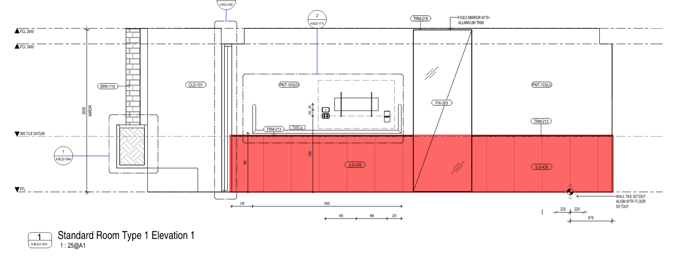
 | L0318 | 1 | OCHRE
 | L0319 | 1 | STANDARD
 | L0320 | 1 | STANDARD
 | L0321 | 1 | STANDARD
 | L0322 | 1 | STANDARD
 | L0323 | 1 | STANDARD
 | L0324 | 2 | OCHRE
 | L0325 | 1c | STANDARD
 | L0326 | 1B | STANDARD
 | L0327 | 1B | STANDARD
 | L0328 | 1B | STANDARD
 | L0329 | 1C | STANDARD
4 | L0401 | 4B | STANDARD
 | L0402 | 4A | OCHRE
 | L0403 | 3 | STANDARD
 | L0404 | 3 | STANDARD
 | L0405 | 3 | STANDARD
 | L0406 | 3 | OCHRE
 | L0407 | 1 | OCHRE
 | L0408 | 1 | STANDARD
 | L0409 | 1 | STANDARD
 | L0410 | 1 | STANDARD
 | L0411 | 1 | OCHRE
 | L0412 | 1 | STANDARD
 | L0413 | 1 | STANDARD
 | L0414 | 1 | STANDARD
 | L0415 | 1 | OCHRE
 | L0416 | 1 | STANDARD
 | L0417 | 1 | STANDARD
 | L0418 | 1 | STANDARD
 | L0419 | 2 | OCHRE
 | L0420 | 1C | STANDARD
 | L0421 | 1B | STANDARD
 | L0422 | 1B | STANDARD
 | L0423 | 5 | STANDARD

Terraces
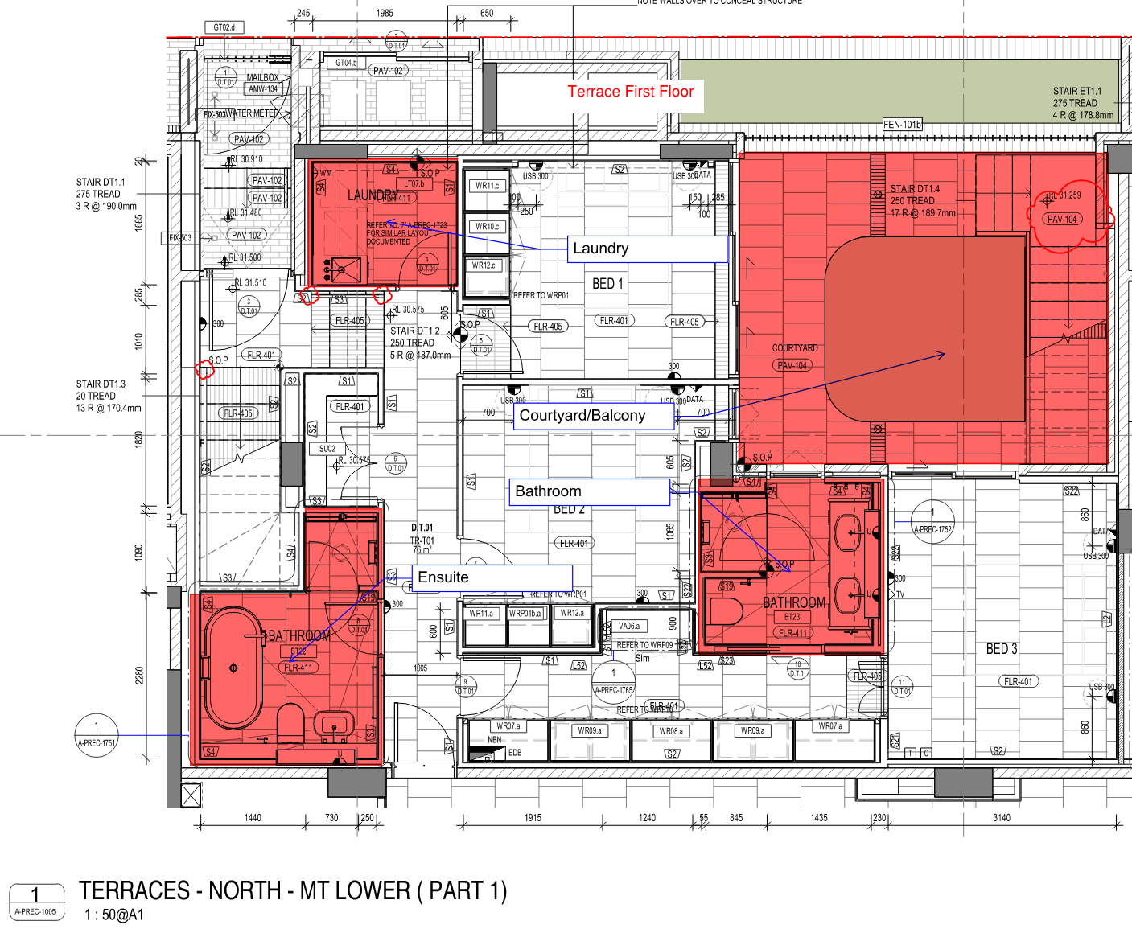
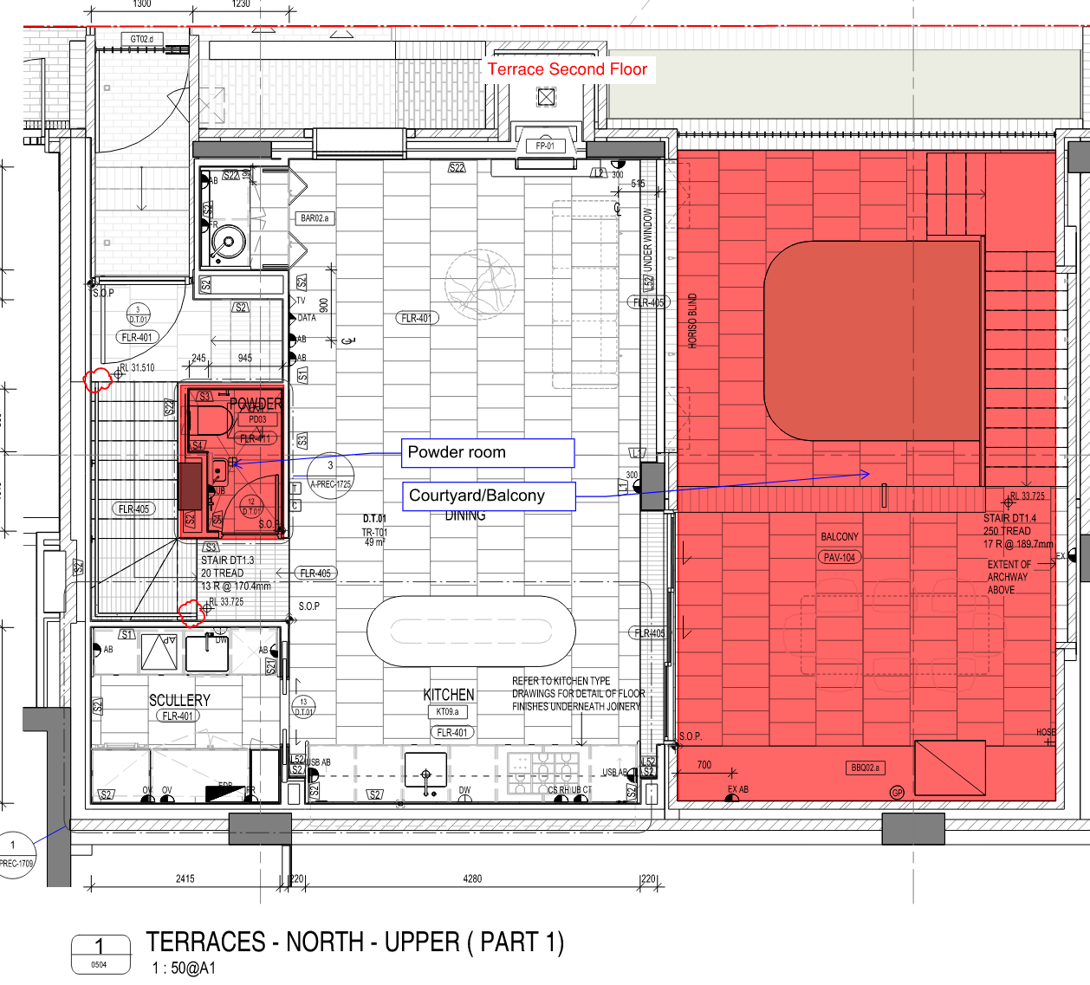
BLDE/F - TERRACE |  |  | Waterproofing:
Terrace | Type | Scheme | ~ Laundry | Terrace
 |  |  | ~ Bathroom |  | DT.03
D.T.03 | TR-T03 | Verde | ~ Ensuite |  |  | Waterproofing
D.T.02 | TR-T02 | Verde | ~ Powder |  |  |  | Laundry
D.T.01 | TR-T01 | Verde |  |  |  |  | Bathroom
E.T.01 | TR-T01 | Verde | Tiling: |  |  |  | Ensuite
E.T.02 | TR-T01 | Verde | ~ Floor tiling living areas |  |  |  | Powder
F.T.01 | TR-T01 | Verde | ~ Floor tiling wet rooms |  |  | Tiling
 |  |  | ~ Wall tiling wet rooms |  |  |  | Floor
 |  |  | ~ Balcony |  |  |  | Wall
 |  |  | ~ Stairs |  |  |  | etc

